Graphs
SpaceX – Exhibits & Charts

Segment EV Contribution ($B, avg)
Margin Trends (%)
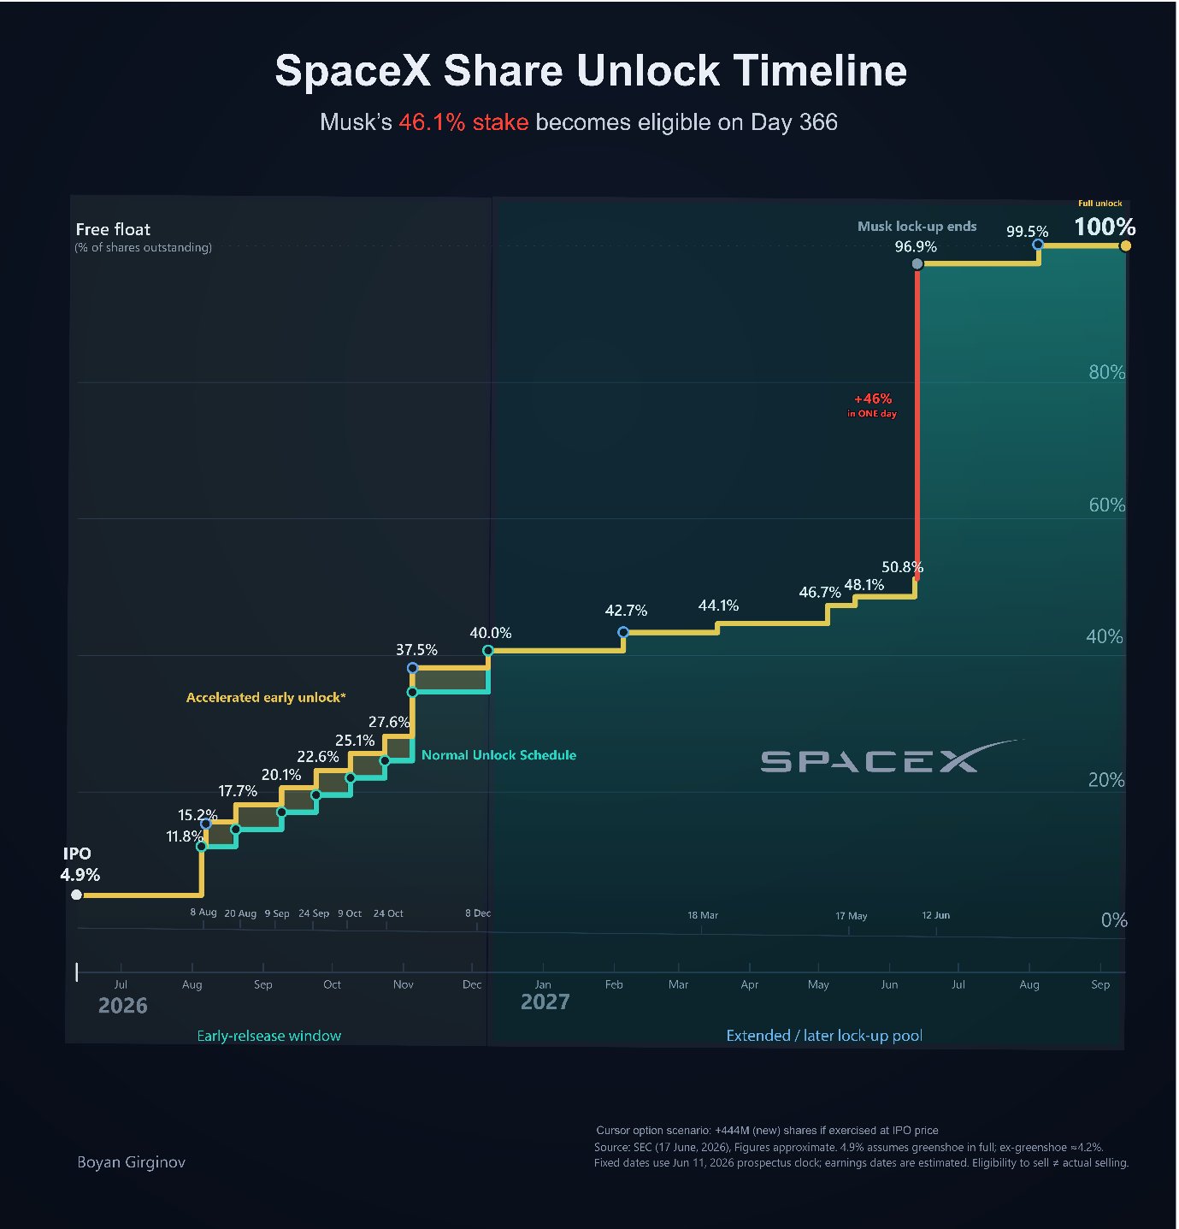
 | Segment EV Contribution ($B) |  |  |  |  |  | Margin Trends (%)
 | Segment | Avg EV ($B)
 | Connectivity | 558.4 |  |  |  |  | Period | Adj EBITDA Margin | Operating Margin | FCF Margin
 | Space | 52.4 |  |  |  |  | FY2023 | 0.36786367575 | -0.33744103206 | 0.010108789833
 | AI | 4.7 |  |  |  |  | FY2024 | 0.38173385658 | 0.03325008919 | -0.38437388512
 |  |  |  |  |  |  | FY2025 | 0.3525757738 | -0.13864196209 | -0.74713505409
 |  |  |  |  |  |  | Q1'25 | 0.42537496926 | 0.0066388000984 | -0.83919350873
 |  |  |  |  |  |  | Q1'26 | 0.24009373669 | -0.41393268002 | -1.930123562

Revenue by Segment ($M)
CapEx vs Operating Cash Flow ($M)

 |  |  |  |  |  |  | CapEx vs Operating Cash Flow ($M)

 |  |  |  |  |  |  | Period | OCF | CapEx | FCF
 | Revenue by Segment ($M) |  |  |  |  |  | FY2023 | 4520 | -4415 | 105
 |  |  |  |  |  |  | FY2024 | 5776 | -11163 | -5387
 | Period | Space | Connectivity | AI | Total | YoY Growth | FY2025 | 6785 | -20737 | -13952
 | FY2023 | 3557 | 3869 | 2961 | 10387 |  | Q1'25 | 727 | -4140 | -3413
 | FY2024 | 3796 | 7599 | 2620 | 14015 | 0.34928275729 | Q1'26 | 1047 | -10107 | -9060
 | FY2025 | 4086 | 11387 | 3201 | 18674 | 0.33242953978
 | Q1'25 | 865 | 2475 | 727 | 4067
 | Q1'26 | 619 | 3257 | 818 | 4694 | 0.15416769117

SpaceX Valuation — Rifat's Model vs Third-Party Sources ($B)

 | Valuation Comparison – All Sources ($B)
 | Source | Equity/EV Value ($B)
 | IPO ($135) | 1,750
 | ARK (2030 FV) | 2,500
 | Morningstar | 780
 | M&I SOTP | 429
 | Rifat's DCF (Gordon) | 693
 | Rifat's DCF (Avg) | 698

